Calculator
TOOL CABINET CALCULATOR

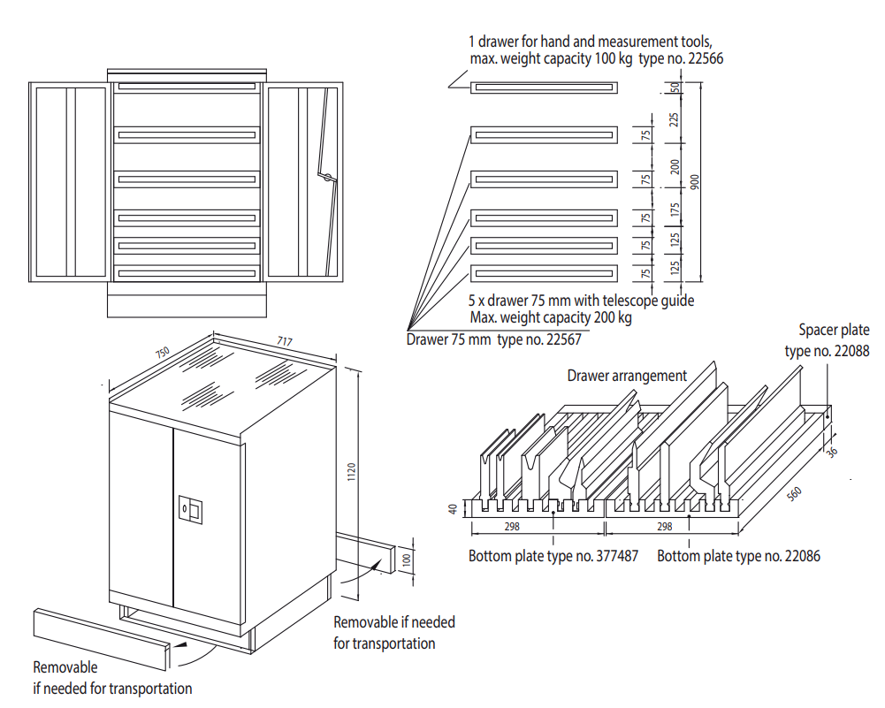
 | Enter your tools: |  | Number of standard cabinets needed:

 | Tools | Qty | 1
 | BIU-021/1 | 5
 | BIU-021/2 | 1
 | BIU-023/1 | 5
 | BIU-023/2 | 1
 | OZU-351/1 | 5
 | OZU-351/2 | 1 | Cabinet P/N | 30034
 | OZU-352/1 | 5 | Alternate cabinet plate option? | No
 | OZU-352/2 | 1
 | OZU-353/1 | 5
 | OZU-353/2 | 1 | Total number of drawers in use:
 | OZU-354/1 | 5
 | OZU-354/2 | 1 | Top tool drawers | 250 mm: | 0
 |  |  |  | 225 mm: | 2
 |  |  |  | 200 mm: | 0

 |  |  | Bottom tool drawers | 150 mm: | 2
 |  |  |  | 125 mm: | 0

 |  |  | Please contact WILA if you want to store a New Standard or American Style tool that is not listed in this calculator.

 |  |  | Minimum software requirements: Microsoft 365 or Excel 2021 or newer

 |  |  | V1.1

